Instructions
General Information on the Fiscal Year-End Inventory Adjustment Process:
. The Fiscal Year-End (FYE) Memo will be published by the Controller's Office in May, prior to the fiscal year-end date of June 30th. . Review the Inventory Process section within the FYE Memo for guidances each year. . Review the Year End Accounting Forms section within the FYE Memo: - Inventory Form UM 1587 is a required form. - Complete any necessary journal entry and submit the completed UM1587 form to controller@umn.edu by the due date in the FYE memo. - Work backward to plan for completing the inventory process at the department level in order to meet the deadline set by the Controller's Office. - Remember to plan ahead to ensure enough time is allotted to complete inventory process.

UM 1587 Purpose and Overview:
Purpose is to value inventory for the current fiscal year-end and adjust inventory balances in the financial system to match the value stated on the form. - All departments with inventory balances at June 30 of the fiscal year being closed must complete this form. This includes internal sales units. - The form covers any merchandise or tangible personal property held for resale or for consumption in providing goods or services for resale. Items held for department use in normal activities should not be included. - Valuation: indicate the method used for valuing the inventory (historical cost, retail cost, etc.). If the value of the inventory has declined because of theft, damage, or obsolescence, it should be valued at estimated fair market value or if applicable, written off. - Revaluation of inventory because of theft, demurrage, obsolescence, write offs, etc. is not allowed in the internal sales operating fund.

General Instructions to Complete UM 1587:

1 | Follow established departmental process along with any specific guidance from the Controller's Office to fill out the UM 1587 inventory form in the tab 'Inventory Form UM 1587'
 | - It is a good practice to review the completed form from the previous year for consistency.
 | - Answer each question on the form completely. Use N/A if not applicable.

2 | Prepare journal entry to adjust inventory balances:
 | - Validate that the beginning balance on the form ties out to the general ledger by DeptID and ChartField string.
 |  | Use Ledger Query to validate the prior year's inventory balance sitting in the account 150100.

 |  |  | Example: | Assume that DeptID 11098 recorded inventory to the Account 150100 last year on the balance sheet.
 |  |  |  | On the inventory form from last year, DeptID 11098 stated their 2022 beginning inventory balance at $344,208.66 and 2022 year-end inventory balance at $406,121.22 in the Inventory account 150100.

 |  |  | Fill out the Ledger Inquiry as shown below to validate FY22 inventory balances in the Account 150100 for DeptID 11098.
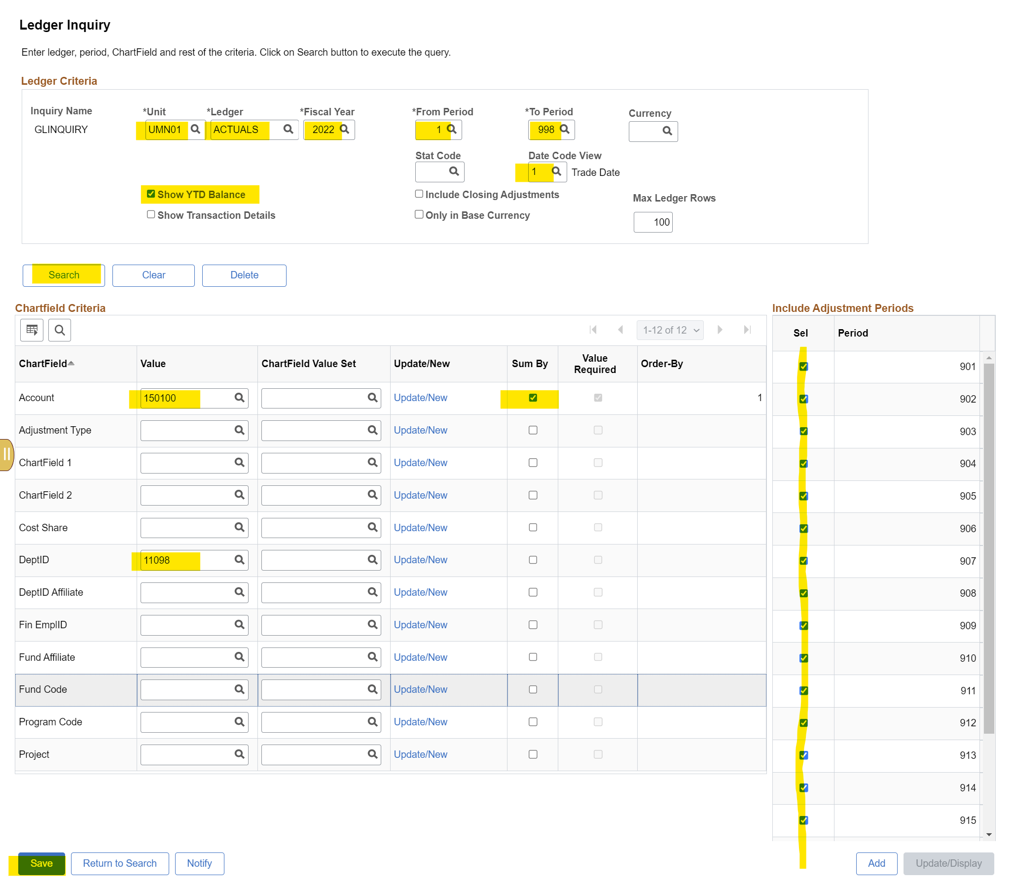

 |  |  | Click Save then click Search.
 |  |  | The screen below will pop up to show the beginning inventory balance of $344,208.66 shown on the Period 0 line which ties out to the UM 1587 form on row 91.
 |  |  | The ending inventory balance of $406,121.22 also ties out to the UM 1587 form on row 96.
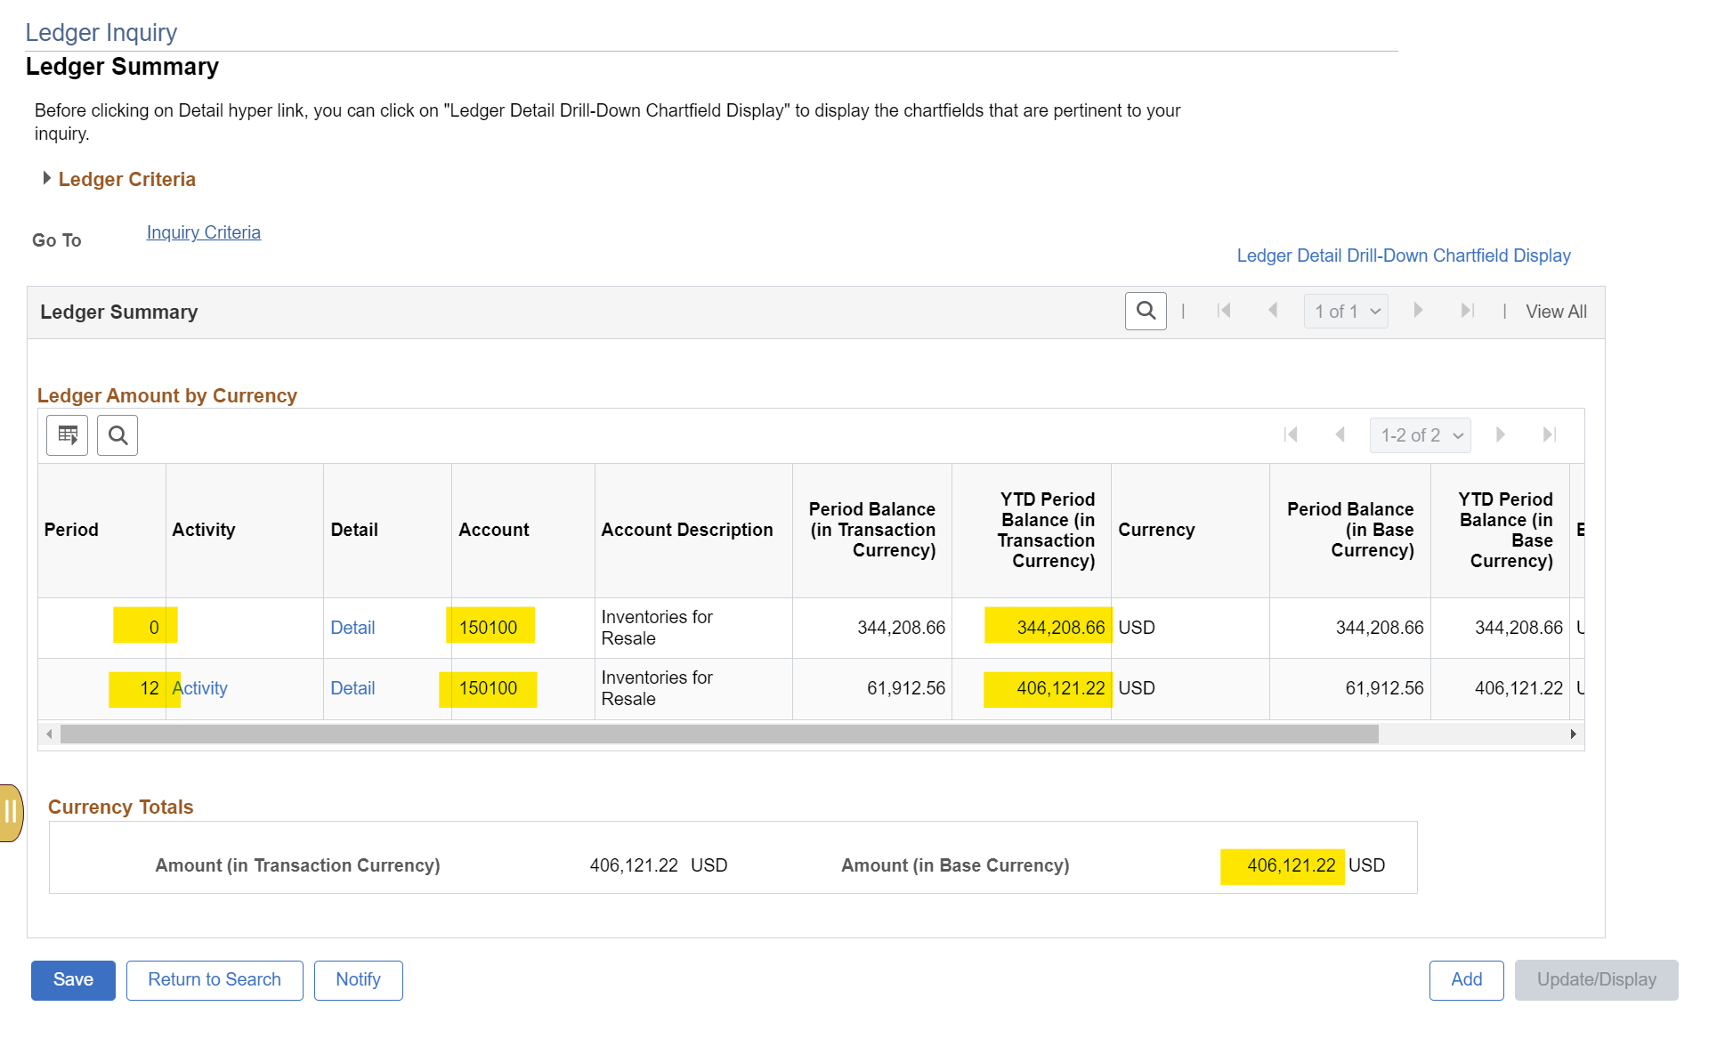

 |  |  | This means the department posted their inventory transactions correctly last year in EFS to tie out to the inventory balances shown in the inventory form.

 |  |  | Let's drill into the Activity link shown in the screen below to find out what entries DeptID 11098 posted to tie out their inventory balances.
 |  |  |  | Click Activity



 |  |  | The screen below appears. It shows there were 2 entries that took place in June of 2022.
 |  |  |  | Entry 0001305675 posted on 06/01/2022 reversed out the total beginning balance in the account 150100 to set the balance back to zero.
 |  |  |  | Entry 0001389210 posted on 06/30/2022 recorded the new year-end inventory balance of $406,121.22 to tie out to the ending inventory balance shown on the inventory form row 96.

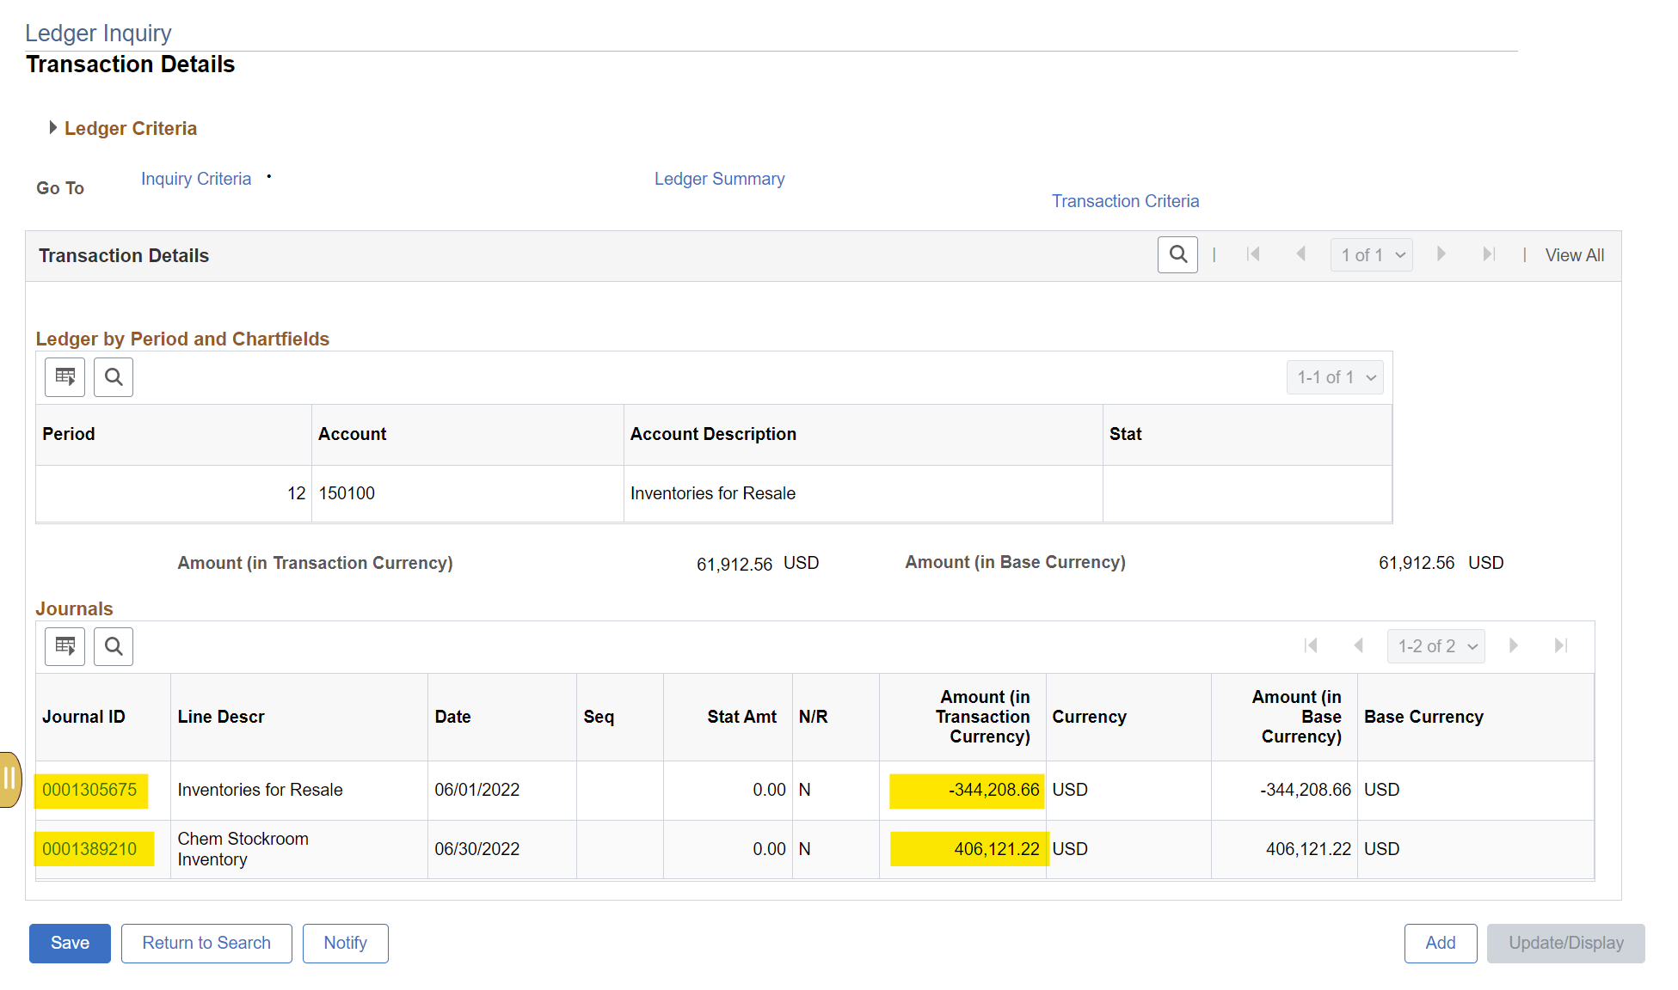

 |  |  | Let's look up the entry 0001389210 to see how it was written.
 |  |  |  | Dept 11098 debited the account 150100 and their departmental CFS and credited the expense account 740101 with the same departmental CFS.
 |  |  |  |  | The debit to the balance sheet account 150100 will add inventory to the balance sheet.
 |  |  |  |  | The credit to the expense account 740101 will reduce costs on the income statement.

 |  |  |  |  | This means if you want to add inventory you should debit the balance sheet account with the offsetting credit against the expense account.
 |  |  |  |  | Conversely, if you need to reduce inventory on the balance sheet you should credit the balance sheet account and debit the expense account.

 |  |  | Note: JE 0001389210 was set to auto reverse on 06/30/2023. Once the reversal entry got posted, the inventory balance in the account 150100 for DeptID 11098 should become zero.

 | - Enter the inventory adjustment journal entry into EFS. Email controller@umn.edu if access is needed to enter journal entries.
 | - After adjustment entries are posted, validate and tie out the ending balance in the general by DeptID to the ending inventory balance shown on form UM 1587. See Ledger Inquiry steps above.

 | Notes:
 | . Plan to get all adjustment entries posted into the Period 12 before Period 12 is closed.
 | . The last opportunity for the departments to post inventory adjustments is into the Period 913. Period 913 is open after Period 12 is closed and only remains open for 5 business days.

3 | After tie-out and validation of inventory balances on the inventory form to the general ledger, email the completed UM 1587 form to controller@umn.edu on or before the form deadline.

4 | Questions can be emailed to controller@umn.edu. Make sure to reference the Inventory Form UM 1587.

